COVER PAGE and Instructions
Information Description | Facility Submission | Facility Notes
Facility Name
Facility NPI (if applicable)
Facility DHSR License Number
Name of Responsible Adminisrator
Title of Responsible Administrator
Name of Facility Point of Contact for Roster
Title of Point of Contact
Point of Contact E-mail Address
Point of Contact Phone Number
Date Roster Submitted
Notes to State Team

COVID-19 Testing: Nursing Home Reporting
CARES Act Payments
Staff Roster Template Instructions
The Staff Roster Template associated with CARES Act payments made to nursing homes unders Secretarial Orders 2 and 4 ("the Secretarial Orders"). It provides the staff-level data necessary to verify payments made to the nursing home.
This template must be completed by any nursing home that has submitted an payment request through the COVID-19 Testing: Nursing Home Reporting Portal. If a nursing home did not request any funding under either Secretarial Order, the nursing home is not required to submit the Staff Roster template
This template is organized by Invoices or Point of Care Supply invoice/purchase orders that were submitted as an Actual Cost Case. Please complete a tab for each Invoice/Purchase Order submitted, including the documented reference number in the tab label. Please also put facility name in document name.
This report is due with the provider's final Actual Cost submission.
For Screenshots of applicable data points, please see References Tab.

SAMPLE
INVOICE/Purchase Order # Reflected on this Tab | [Invoice/Purchase Order # here]
Lab or POC | [Note whether Lab or POC testing]
Vendor Name | [Name of vendor on invoice/purchase order]
Actual Cost Case Number | [list Actual cost case number associated with this invoice here]
Full Invoice Amount | [actual full amount on pdf invoice]
Total "Actual Cost" Submitted under this Invoice | [Cost reflected in Actual Cost field of Case Submission--may be less than full invoiced amount]
All Projected Case Numbers Reflected in Actual Cost Submission Invoice/POC Purhcase Order | [include all PROJECTED cases tied to this Actual Cost Submissions]
Total Reimburseable Tests Performed Under this Invoice | [number should reconcile with Tests Performed number in Actual case submission] and should be supported with staff level data numbers provided below.
Staff/HCP Identifier (Personal Identifying Information Excluded) | Total Number of Tests Performed under This Invoice
ID 123 | 2
ID 456 | 2
ID 789 | 1
additional line for each staff covered under invoice and # of tests under reimbursement

SAMPLE ENTRIES

References
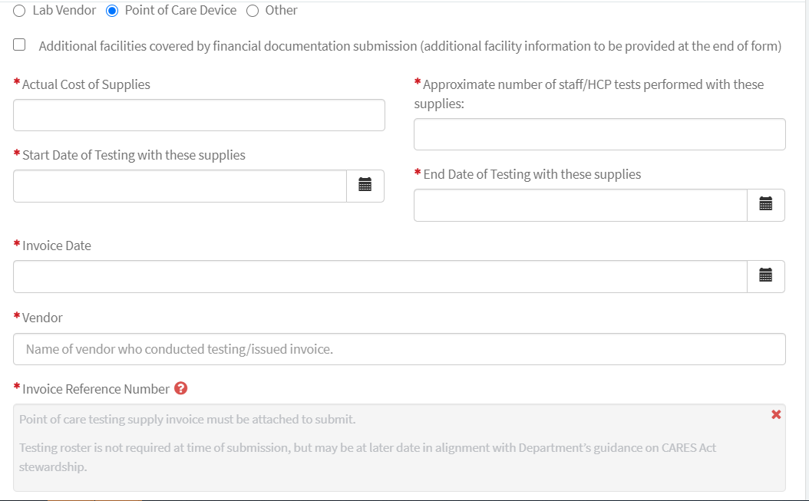
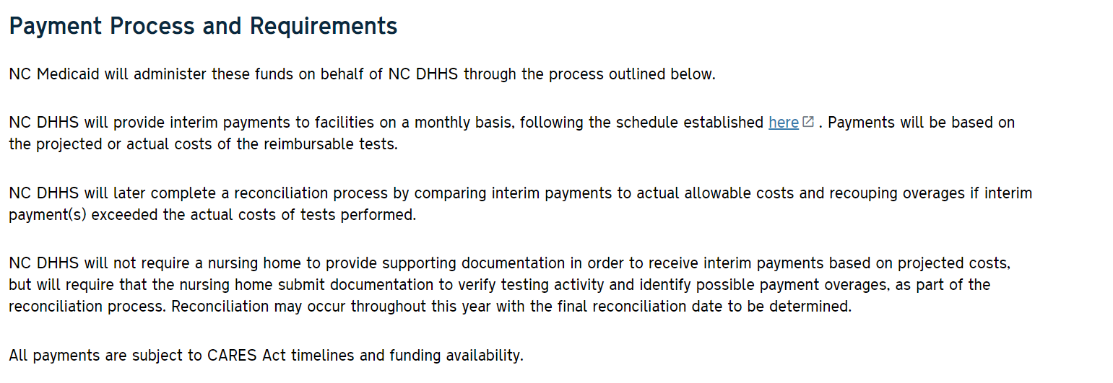
LAB/VENDOR DATA POINTS
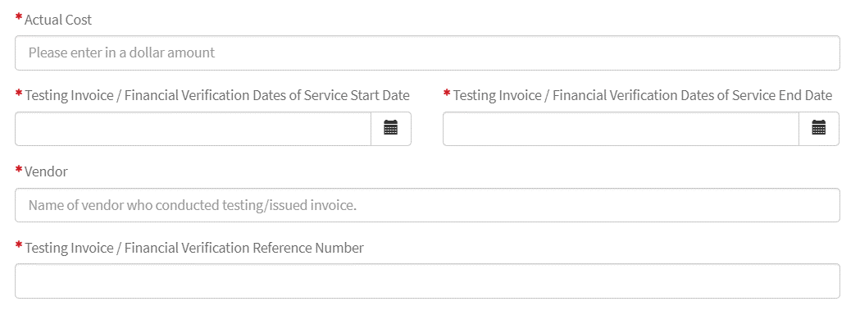

POC DATA POINTS

